ALTON MAP
1
2
3
4
5
6
19
20
21
 | Return to Table of Contents
 | ALTON
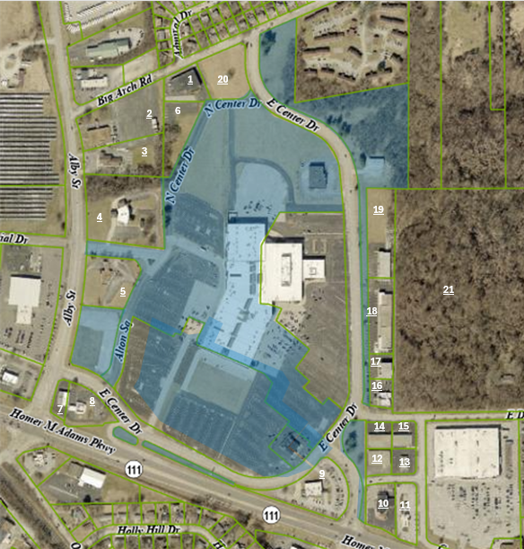
7
8
9
10
11
12
13
14
15
16
17
18

